Child
 |  | EDUCATION PLANNING OF |  |  | xyz

PRESENT CHILD AGE |  | 3 | YEARS | PLANNED MONTHLY INVESTMENT |  |  | ₹2,000.00
CURRENT COST OF THE EDUCATION |  | ₹1,000,000.00 |  | EXPECTED ANNUAL INCREMENTAL RATE FOR INVESTMENT |  |  | 5%

EXPECTED INFLATION |  | 10% |  | AGE OF THE CHILD | BEGINNING VALUE | MONTHLY INVESTMENT | VALUE AT THE END OF THE YEAR
AGE OF THE CHILD @ THE GOAL |  | 21 | YEARS | 3 | ₹0.00 | ₹2,000.00 | ₹25,533.00
CORPUS REQUIRED TO MEET THE GOAL |  | ₹5,559,917.31 |  | 4 | ₹25,533.00 | ₹2,100.00 | ₹55,406.60
 |  |  |  | 5 | ₹55,406.60 | ₹2,205.00 | ₹90,205.52
EXPECTED RETURN ON INVESTMENT |  | 12% |  | 6 | ₹90,205.52 | ₹2,315.25 | ₹130,587.82
 |  |  |  | 7 | ₹130,587.82 | ₹2,431.01 | ₹177,293.87
INITIAL LUMP SUM INVESTMENT (optional) |  | ₹0.00 |  | 8 | ₹177,293.87 | ₹2,552.56 | ₹231,156.43
 |  |  |  | 9 | ₹231,156.43 | ₹2,680.19 | ₹293,111.86
MONTHLY INVESTMENT REQUIRED |  | ₹7,811.85 |  | 10 | ₹293,111.86 | ₹2,814.20 | ₹364,212.77
 |  |  |  | 11 | ₹364,212.77 | ₹2,954.91 | ₹445,642.16
ANNUALLY INVESTMENT REQUIRED |  | ₹89,044.61 |  | 12 | ₹445,642.16 | ₹3,102.66 | ₹538,729.28
 |  |  |  | 13 | ₹538,729.28 | ₹3,257.79 | ₹644,967.35
LUMP SUM INVESTMENT REQUIRED |  | ₹723,009.37 |  | 14 | ₹644,967.35 | ₹3,420.68 | ₹766,033.52
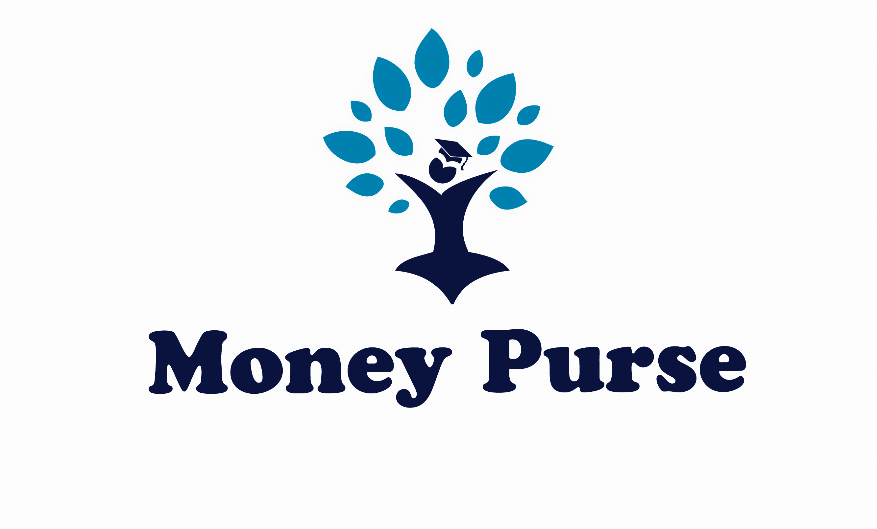
 |  |  |  | 15 | ₹766,033.52 | ₹3,591.71 | ₹903,811.14
 |  |  |  | 16 | ₹903,811.14 | ₹3,771.30 | ₹1,060,414.75
 |  |  |  | 17 | ₹1,060,414.75 | ₹3,959.86 | ₹1,238,218.10
 |  |  |  | 18 | ₹1,238,218.10 | ₹4,157.86 | ₹1,439,885.54
 |  |  |  | 19 | ₹1,439,885.54 | ₹4,365.75 | ₹1,668,407.13
 |  |  |  | 20 | ₹1,668,407.13 | ₹4,584.04 | ₹1,927,138.08
To support Your Money Purse Channel you can open the demat Account with the links below |  |  |  | 21 | N A | N A | N A
ZERODHA | https://zerodha.com/open-account?c=ZM... |  |  | 22 | N A | N A | N A
UPSTOX | https://tinyurl.com/y8sbw9w8 |  |  | 23 | N A | N A | N A
ANGEL BROKING | http://tinyurl.com/y3r42a2x |  |  | 24 | N A | N A | N A
 |  |  |  | 25 | N A | N A | N A

